1.USA_total
Source: Brookings Analysis of Census Bureau and Moody's data
8.3 payroll employees per nonemployer firm in 1997
6.1 payroll employees per nonemployer firm in 2014
Title
Enter your title here
Nonemployer Firms and Employment (1997-2014) (United States)

Sub-Title
Enter your sub title here

Source
Enter your source here
Source: Brookings Analysis of Census Bureau and Moody's data

 | Total--Nonemployer Firms | Total--Payroll Employment
1997-12-31 | 15.439609 | 128.61865422 | 8.3
1998-12-31 | 15.708727 | 131.85650047
1999-12-31 | 16.152604 | 134.71336691
2000-12-31 | 16.529955 | 137.66648096
2001-12-31 | 16.979498 | 137.45008157
2002-12-31 | 17.646062 | 136.00189108
2003-12-31 | 18.649114 | 135.49353925
2004-12-31 | 19.523741 | 136.91161609
2005-12-31 | 20.392068 | 139.12157922
2006-12-31 | 20.768555 | 141.34610547
2007-12-31 | 21.708021 | 143.00465732
2008-12-31 | 21.35132 | 142.48114645
2009-12-31 | 21.695828 | 136.32874298
2010-12-31 | 22.110628 | 135.6882421
2011-12-31 | 22.49108 | 137.31719574
2012-12-31 | 22.735915 | 139.5564866
2013-12-31 | 23.00562 | 141.89419891
2014-12-31 | 23.836937 | 144.54276569 | 6.1

2.USA_rides_rooms
Source: Brookings Analysis of Census Bureau and Moody's data
Note: Includes NAICS code industries 4853 and 4859
0.9 payroll employees per nonemployer firm in 1997
0.5 payroll employees per nonemployer firm in 2014
Source: Brookings Analysis of Census Bureau and Moody's data
Note: Includes NAICS code industries 4853 and 4859
42 payroll employees per nonemployer firm in 1997
33 payroll employees per nonemployer firm in 2014
Title
Enter your title here
Nonemployer Firms and Employment in Select Passenger Ground Transportation Industries (1997-2014) (United States)

Sub-Title
Enter your sub title here

Source
Enter your source here
Source: Brookings Analysis of Census Bureau and Moody's data
Note: Includes NAICS code industries 4853 and 4859

 | Rides--Nonemployer Firms | Rides--Payroll Employment
1997-12-31 | 136.596 | 116.59999982 | 0.9
1998-12-31 | 133.643 | 120.65200037
1999-12-31 | 140.101 | 125.25699912
2000-12-31 | 145.627 | 129.71800075
2001-12-31 | 152.282 | 129.56299941
2002-12-31 | 150.234 | 129.40999976
2003-12-31 | 157.796 | 130.54700015
2004-12-31 | 165.031 | 133.76000021
2005-12-31 | 173.578 | 137.50300102
2006-12-31 | 179.371 | 144.19600062
2007-12-31 | 188.195 | 151.08099891
2008-12-31 | 193.565 | 154.86799996
2009-12-31 | 197.517 | 153.312001
2010-12-31 | 205.167 | 158.11399952
2011-12-31 | 222.46 | 167.24800036
2012-12-31 | 234.195 | 174.43099985
2013-12-31 | 257.851 | 177.98000109
2014-12-31 | 346.641 | 185.53000036 | 0.5

Title
Enter your title here
Nonemployer Firms and Employment in Select Traveler Accommodation Industires (1997-2014) (United States)

Sub-Title
Enter your sub title here

Source
Enter your source here
Source: Brookings Analysis of Census Bureau and Moody's data
Note: Includes NAICS code industries 7211 and 7213

 | Rooms--Nonemployer Firms | Rooms--Payroll Employment
1997-12-31 | 40.599 | 1702.7290069 | 42
1998-12-31 | 41.139 | 1749.1029879
1999-12-31 | 43.303 | 1793.6150056
2000-12-31 | 44.305 | 1832.0409941
2001-12-31 | 45.107 | 1805.3420053
2002-12-31 | 45.133 | 1744.4190096
2003-12-31 | 46.876 | 1740.0780093
2004-12-31 | 49.645 | 1757.5770038
2005-12-31 | 49.235 | 1779.5600054
2006-12-31 | 48.325 | 1794.0249955
2007-12-31 | 47.756 | 1821.1949996
2008-12-31 | 47.548 | 1824.8079961
2009-12-31 | 46.855 | 1710.1739942
2010-12-31 | 47.508 | 1705.3610056
2011-12-31 | 49.129 | 1738.6009935
2012-12-31 | 50.654 | 1767.2479907
2013-12-31 | 50.92 | 1797.4880033
2014-12-31 | 55.561 | 1830.6039963 | 33

3.USA_compare_bar_2010_2014
Change in Nonemployer Firms and Employment by Sector
Percent change 2010-2014
Source: Brookings analysis of Census Bureau and Moody's data
Note: Includes NAICS code industries 4853 and 4859 (rides); 7211 and 7231 (rooms)
Title
Enter your title here
Change in Nonemployer Firms and Employment by Sector

Sub-Title
Enter your sub title here
Percent change 2010-2014

Data
 | Nonemployer Firms | Payroll Employment
Total | 8% | 7%
Rides | 69% | 17%
Rooms | 17% | 7%

Source
Enter your source here
Source: Brookings analysis of Census Bureau and Moody's data
Note: Includes NAICS code industries 4853 and 4859 (rides); 7211 and 7231 (rooms)

4.Metro50_2yr_bar_rides
Title
Enter your title here | Source
Change in Nonemployer Firms and Employment in Select Passenger Ground Transportation Industries (2012-2014) (50 Largest Metros) | Enter your source here
 | Source: Brookings Analysis of Census Bureau and Moody's data
Sub-Title | Note: Includes NAICS code industries 4853 and 4859
Enter your sub title here | Note: Payroll employment data for Milwaukee and Tampa have been supressed

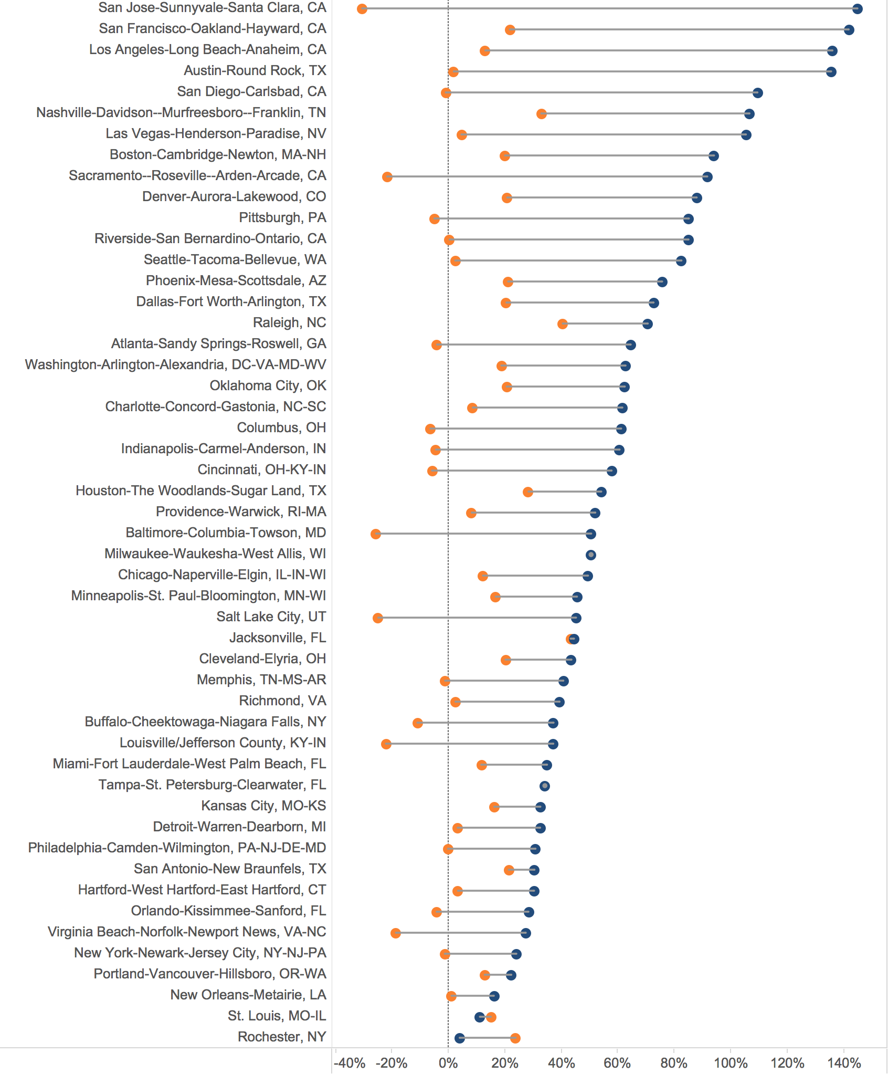
Change in Nonemployer Firms and Employment in Select Passenger Ground Transportation Industries (2012-2014) (50 Largest Metros)
Source: Brookings Analysis of Census Bureau and Moody's data
Note: Includes NAICS code industries 4853 and 4859
Note: Payroll employment data for Milwaukee and Tampa have been supressed
Data

5.Metro50_2yr_bar_rooms
Title
Enter your title here | Source
Change in Nonemployer Firms and Employment in Select Traveler Accommodation Industries (2012-2014) (50 Largest Metros) | Enter your source here
 | Source: Brookings Analysis of Census Bureau and Moody's data
Sub-Title | Note: Includes NAICS code industries 7211 and 7213
Enter your sub title here

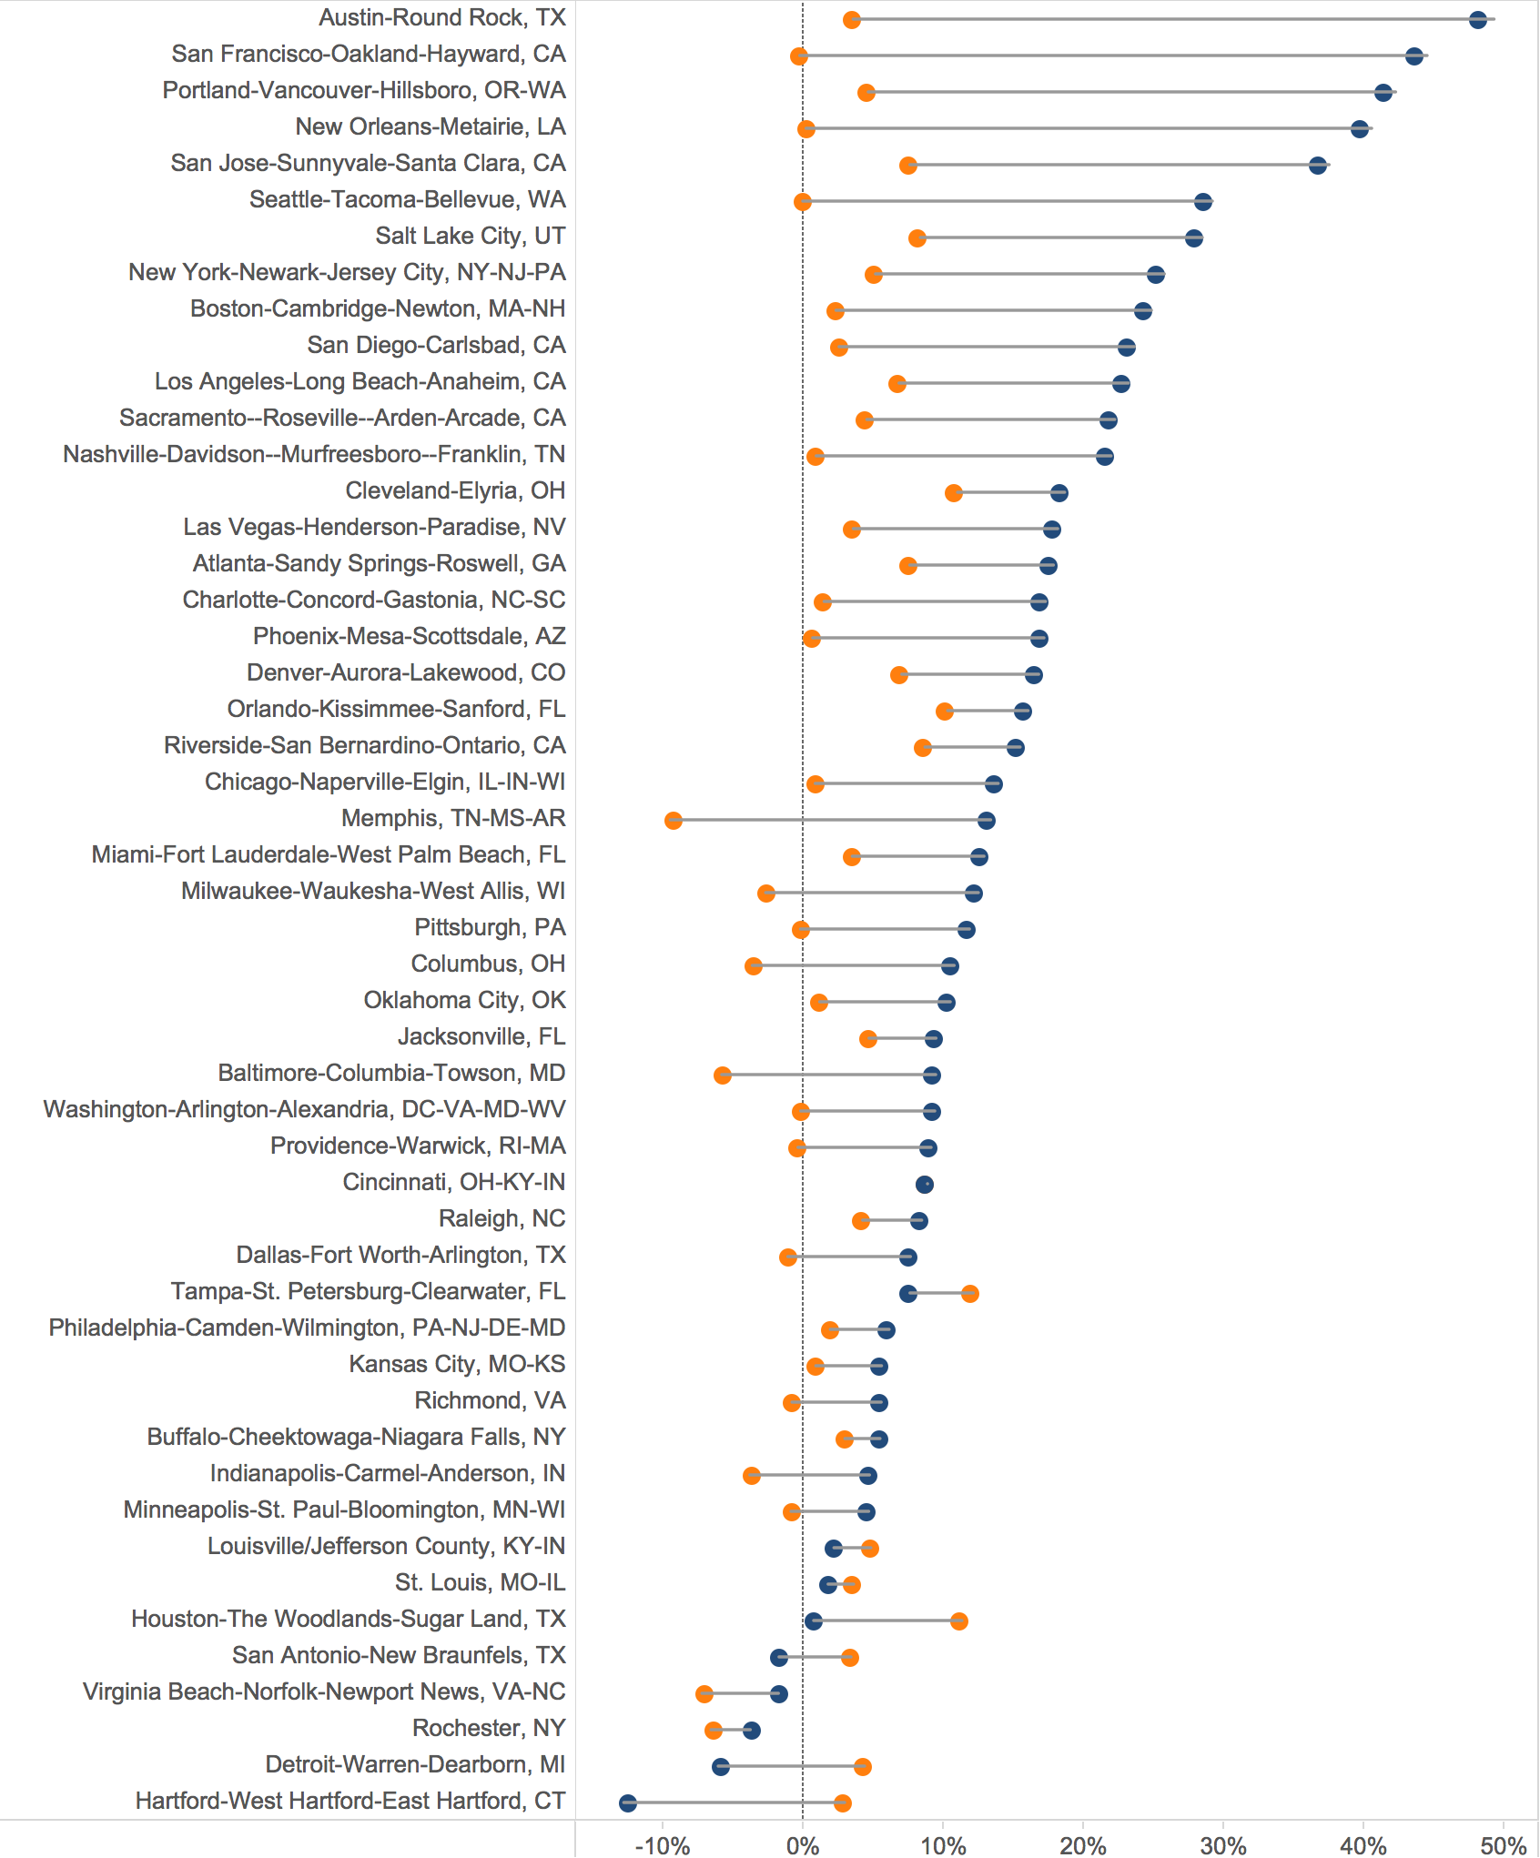
Change in Nonemployer Firms and Employment in Select Traveler Accommodation Industries (2012-2014) (50 Largest Metros)
Source: Brookings Analysis of Census Bureau and Moody's data
Note: Includes NAICS code industries 7211 and 7213
Data

